Instructions
Step 1 | Start by completing the high level details at the top of the sheet, job title, job description and key responsiblities

Step 2 | Work with your customer or internal people to define step by step their day to day activity related to your business, and enter them against 'Action' i.e. if you are a distributor of parts for medical devices, ask the customer to define each step from start to finish in building a new mdecial device.
Step 3 | Rate each step in terms of postive or negative feelings towards the activity from +10 to -10 and enter the number below the action against 'Experience Rating'

Step 4 | As you enter the actions and experience rating you will not the graph starts draw in the section below it, looking something like this | 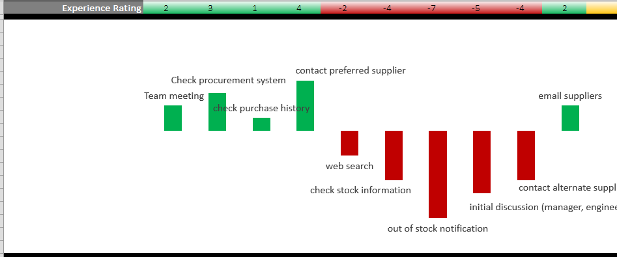

Step 5 | With the customer or internal employee try and group sections of actions into reasonable defined high level steps and enter against 'High level Step' and merge cells
Step 6 | Capture some of the key 'likes' and 'dislikes' either directly quoting statements made or interpretting yourself, only list the key ponts as shown in green and red.
Step 7 | At each of these high level steps try and capture where they go for information, how do they go about getting the information, etc, enter the ansers against 'Touch Points'

Icons
Client contact | Sales
Web or PC, add symbols to be more specific | Technical Support
Eprocurement | Community
E-Solutions | Team
Web search | Client site Install
Software, PC tools, CAD tools, etc | Device
Eprocurement
Internal converstions, - add team name to be specific | Procurement
Contact - Phone or Email - add to whom they are contacting | Email
Documentation, research, information
Delivery

SAMPLE Buyer
Mapping the lifecycle of a Customer
Job Title: | Buyer
Job Description: | Buyer for a leading international manufacturer of equipment
Key responsibilities: | - Day to day buying, supplier negotiations and supplier reviews - Long-term strategic buying and supplier assessment - Maintaining up to date contact groups - Working closely with the design team to maintain consistency

High Level Step | Need to Buy |  |  | Contact Suppliers |  |  |  |  |  |  | Negotiate |  |  |  |  |  |  | Place order |  |  |  |  | Delivery |  |  |  |  |  |  |  |  |  |  |  | Review
Likes | - Routine: standard stuff - Having busy workload |  |  | - Interacting with preferred suppliers - 'Oh good, I can talk to him/her again' - 'I remember this was easy last time |  |  |  |  |  |  | - The challenge of negotiation - 'Me at my best' - Securing discount - The satisfaction of successful negotiation |  |  |  |  |  |  | - The relief of placing an order - Quick, efficient order confirmation - 'Regular updates on order' - Being in control |  |  |  |  | - Job Closure: 'I can get onto something else' - Relief after successful delivery - Updating the internal team |  |  |  |  |  |  |  |  |  |  |  | - Proactively managing supplier list - Feeling empowered again - 'Chance to get my bonus'
Dislikes | - Being interrupted - 'I m busy enough!' |  |  | - Interacting with difficult suppliers - 'Don’t want to deal with that person again!' - Lack of stock warnings - 'My workload has just doubled' |  |  |  |  |  |  | - Having to contact multiple suppliers - Unhelpful suppliers - Lack of supplier support |  |  |  |  |  |  | - The power shift - now dependent on supplier - Lack of order updates - 'I need more order information' |  |  |  |  | - Delivery errors - Threat to reputation - 'This is a reflection on me' |  |  |  |  |  |  |  |  |  |  |  | - Needing corrective actions - Frustrated with lengthy process
Touch Points | Internal | Eproc |  | Supplier | Web | Internal |  |  |  |  | Supplier | Supplier | Internal |  |  |  |  | Web | Supplier | Eproc |  |  | Email | Internal | Delivery | Supplier | Internal |  |  |  |  |  |  |  | Eproc | Internal | Supplier

Action Step | 1 | 2 | 3 | 4 | 5 | 6 | 7 | 8 | 9 | 10 | 11 | 12 | 13 | 14 | 15 | 16 | 17 | 18 | 19 | 20 | 21 | 22 | 23 | 24 | 25 | 26 | 27 | 28 | 29 | 30 | 31 | 32 | 33 | 34 | 35 | 36 | 37
Action | Team meeting | Check procurement system | check purchase history | contact preferred supplier | web search | check stock information | out of stock notification | initial discussion (manager, engineer, requester) | contact alternate suppliers | email suppliers | receive quotes | cost analysis price to high | update procurement system | negotiate discount | successful negotiation | internal sign off | update procurement system | online order | cant find products oonline | phone order | Order Confirmation | print off records | wait for delivery | call from goods in | internal meetings | wrong parts delivered | awkward conversations with senior colleagues | contact supplier | internal meetings | corrective action | source alternate supplier? | parts arrive | check parts with engineer | close order | receive invoice | review suppliers list | long term negotiations
Experience Rating | 2 | 3 | 1 | 4 | -2 | -4 | -7 | -5 | -4 | 2 | 4 | -2 | 5 | 6 | 8 | 2 | 5 | -2 | -6 | -5 | 7 | 2 | -1 | -3 | -2 | -6 | -5 | -4 | -3 | -4 | -2 | 4 | 6 | 7 | 2 | 2 | 1

